Hoja 1
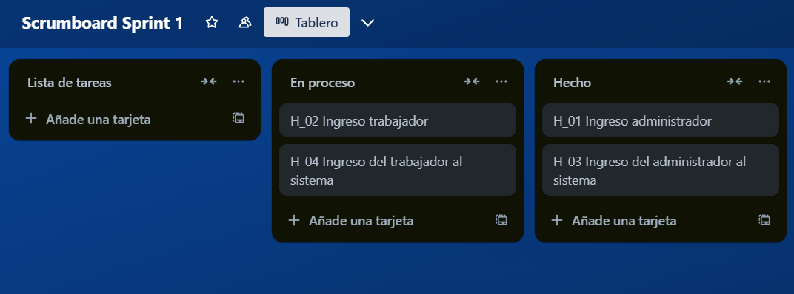
Link: https://trello.com/invite/b/6752369f63729ec65406dbe2/ATTI9c1532d85a57ad9b919c79a4fa4d94bfDD068510/scrumboard-sprint-1

